XORTest
W1 |  | W2 | b1 | b2
-5.057 | -4.855 | -5.883 | 1.342 | -1.145
-1.500 | -0.106 | 1.086 | -0.103
Training
0 | 0.318
1 | 0.308
2 | 0.299
3 | 0.290
4 | 0.280
5 | 0.271
6 | 0.262
7 | 0.253
8 | 0.244
9 | 0.236
10 | 0.228
11 | 0.220
12 | 0.212
...
-1.718 | -1.820 | 3.487 | 2.224
...
-5.087 | -4.886 | -5.945 | 1.368 | -1.205
-1.520 | -0.108 | 1.108 | -0.097
-1.760 | -1.883 | 3.578 | 2.316
...
-5.116 | -4.917 | -6.006 | 1.394 | -1.265
-1.540 | -0.110 | 1.129 | -0.090
-1.802 | -1.944 | 3.669 | 2.408
...
-5.145 | -4.947 | -6.068 | 1.420 | -1.325
-1.560 | -0.111 | 1.149 | -0.084
-1.846 | -2.004 | 3.760 | 2.499
...
-5.173 | -4.977 | -6.129 | 1.446 | -1.385
-1.579 | -0.111 | 1.168 | -0.077
-1.891 | -2.063 | 3.851 | 2.589
...
-5.201 | -5.006 | -6.190 | 1.472 | -1.444
-1.598 | -0.110 | 1.187 | -0.071
-1.937 | -2.121 | 3.942 | 2.679
...
-5.228 | -5.035 | -6.251 | 1.497 | -1.503
-1.617 | -0.110 | 1.205 | -0.066
-1.983 | -2.178 | 4.032 | 2.767
...
W1 |  | W2 | b1 | b2
-5.254 | -5.063 | -6.311 | 1.521 | -1.561
-1.635 | -0.108 | 1.222 | -0.060
-2.030 | -2.234 | 4.122 | 2.854
...
W1 |  | W2 | b1 | b2
-5.280 | -5.090 | -6.371 | 1.545 | -1.618
-1.653 | -0.106 | 1.238 | -0.055
-2.076 | -2.289 | 4.211 | 2.939
...
W1 |  | W2 | b1 | b2
-5.305 | -5.117 | -6.430 | 1.569 | -1.675
-1.670 | -0.104 | 1.253 | -0.050
-2.122 | -2.342 | 4.299 | 3.023
...
W1 |  | W2 | b1 | b2
-5.329 | -5.143 | -6.489 | 1.592 | -1.730
-1.687 | -0.102 | 1.268 | -0.045
-2.168 | -2.394 | 4.385 | 3.105
...
W1 |  | W2 | b1 | b2
-5.353 | -5.168 | -6.547 | 1.615 | -1.785
-1.703 | -0.099 | 1.282 | -0.041
-2.213 | -2.446 | 4.471 | 3.186
...

Binary Decode(softmax Lecture)
Microsoft Excel - Multiclass Logistic Regression Training Result
1 | 1.3862943611
2 | 1.2690866004
3 | 1.1749595665
4 | 1.0942407558
5 | 1.0229596336
6 | 0.9591939419
7 | 0.90175728417
8 | 0.84977682362
9 | 0.80255465092
10 | 0.75951290525
11 | 0.72016488085
12 | 0.68409608758
13 | 0.65095046563
...
W' |  | b'
0.375 | 0.375 | 0.6
0.375 | 0.625 | 0.6
0.625 | 0.375 | 0.6
0.625 | 0.625 | 0.6
0.27234970852 | 0.27234970852 | 0.63012177113
0.25873854193 | 0.7431944167 | 0.60096647932
0.7431944167 | 0.25873854193 | 0.60096647932
0.72571733285 | 0.72571733285 | 0.56794527024
0.18318207578 | 0.18318207578 | 0.67648042945
0.15078160675 | 0.8553310065 | 0.60257624022
0.8553310065 | 0.15078160675 | 0.60257624022
0.81070531098 | 0.81070531098 | 0.51836709011
0.10290549827 | 0.10290549827 | 0.73182364923
0.049939095872 | 0.96124272065 | 0.60364832012
0.96124272065 | 0.049939095872 | 0.60364832012
0.88591268521 | 0.88591268521 | 0.46087971054
0.02897975005 | 0.02897975005 | 0.79210146267
-0.044750730507 | 1.0609327719 | 0.60350615011
1.0609327719 | -0.044750730507 | 0.60350615011
0.95483820859 | 0.95483820859 | 0.40088623712
-0.040092998028 | -0.040092998028 | 0.85490792242
-0.13397787526 | 1.1546871616 | 0.60197917245
1.1546871616 | -0.13397787526 | 0.60197917245
1.0193837117 | 1.0193837117 | 0.34113373267
-0.10525454917 | -0.10525454917 | 0.91872937141
-0.21826318423 | 1.2429615179 | 0.59918165915
1.2429615179 | -0.21826318423 | 0.59918165915
1.0805562155 | 1.0805562155 | 0.28290731028
-0.16713330633 | -0.16713330633 | 0.98257018458
-0.29803448783 | 1.326269031 | 0.59534286804
1.326269031 | -0.29803448783 | 0.59534286804
1.1388987632 | 1.1388987632 | 0.22674407933
-0.2261706407 | -0.2261706407 | 1.0457578268
-0.37366584327 | 1.405111349 | 0.59071261176
1.405111349 | -0.37366584327 | 0.59071261176
1.194725135 | 1.194725135 | 0.17281694973
-0.28269029717 | -0.28269029717 | 1.1078345764
-0.44549475166 | 1.4799454736 | 0.58551802331
1.4799454736 | -0.44549475166 | 0.58551802331
1.2482395752 | 1.2482395752 | 0.121129377
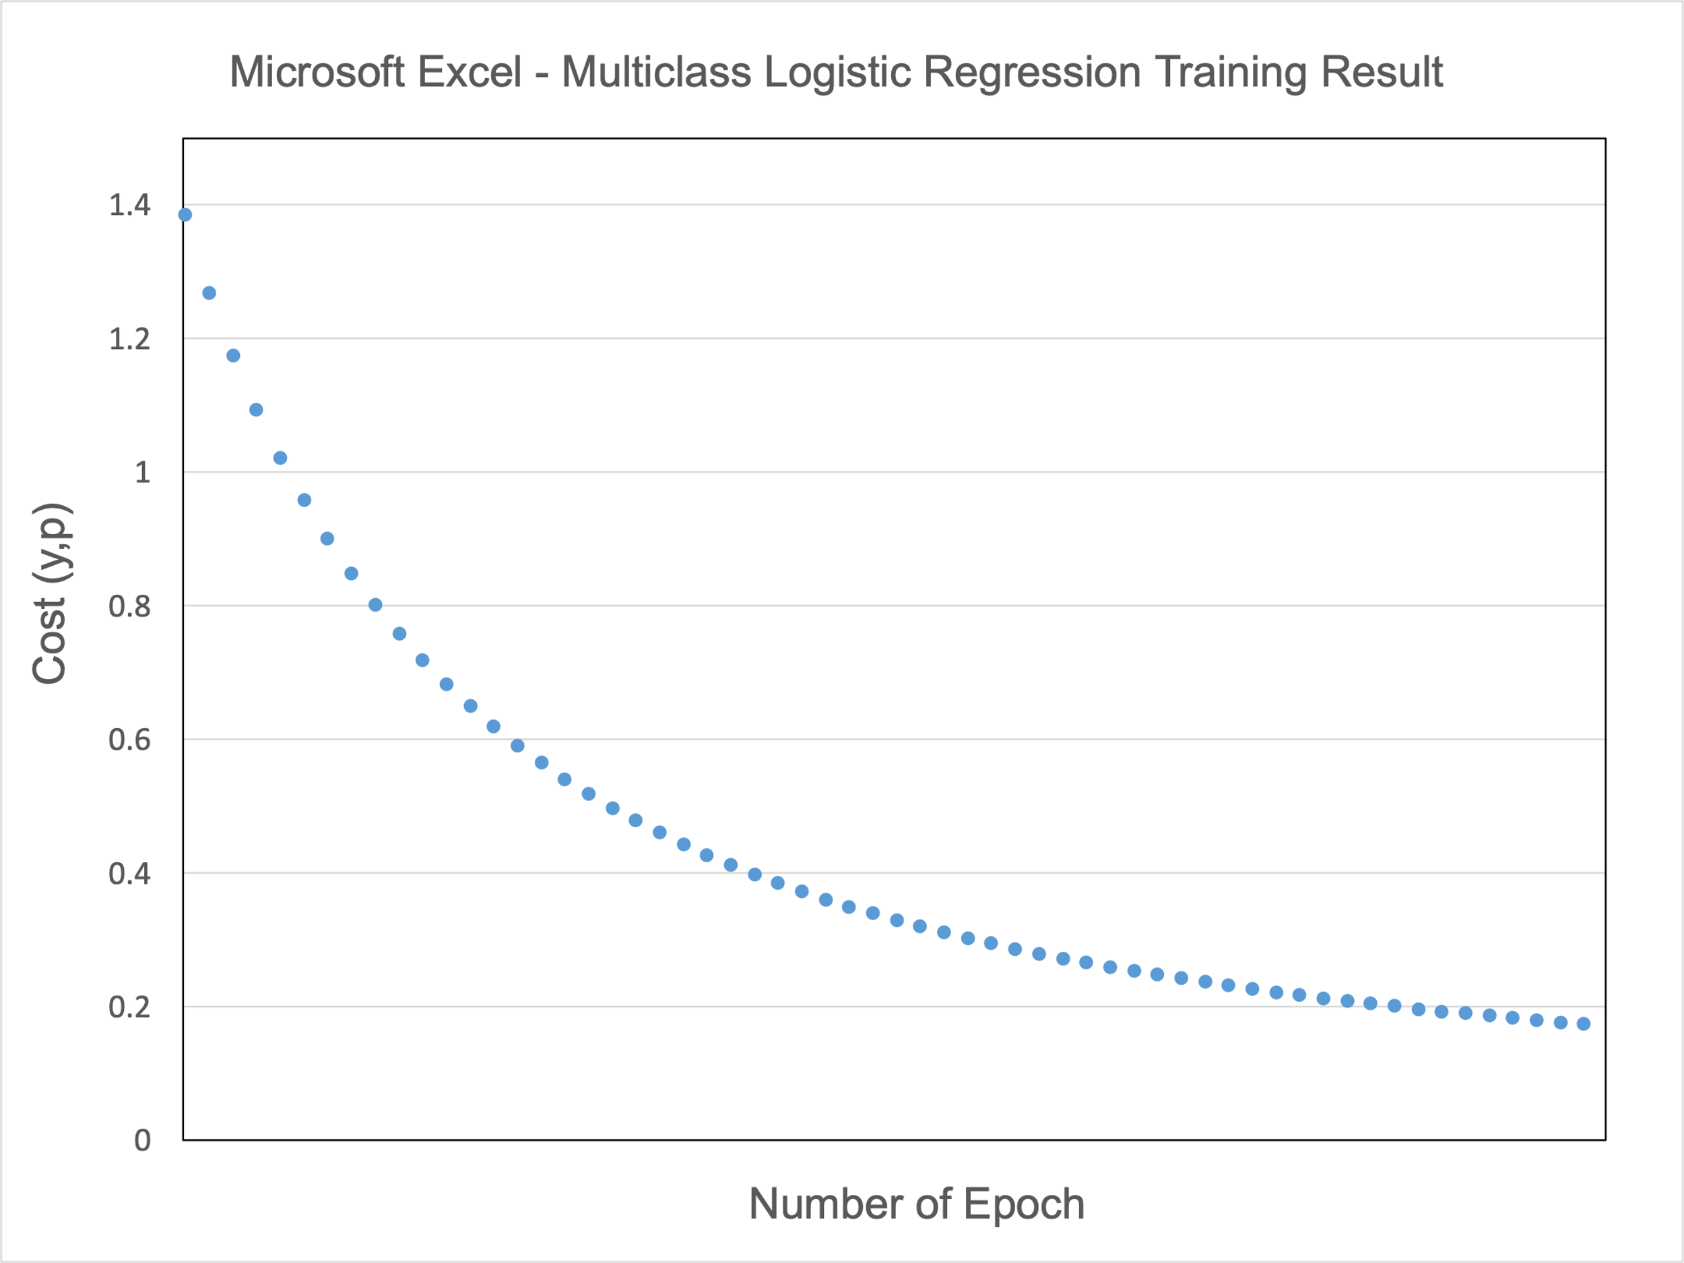
-0.33693872366 | -0.33693872366 | 1.1684926266
-0.51382905733 | 1.5511728202 | 0.57994849756
1.5511728202 | -0.51382905733 | 0.57994849756
1.2995949608 | 1.2995949608 | 0.071610378232
-0.38910977287 | -0.38910977287 | 1.2275321234
-0.578949801 | 1.6191398086 | 0.57415423989
1.6191398086 | -0.578949801 | 0.57415423989
1.3489197652 | 1.3489197652 | 0.024159396811
-0.43936051791 | -0.43936051791 | 1.2848322407
-0.64111284593 | 1.6841434832 | 0.56825047603
1.6841434832 | -0.64111284593 | 0.56825047603
1.3963298806 | 1.3963298806 | -0.021333192794
-0.48782173064 | -0.48782173064 | 1.3403302941
-0.70055034996 | 1.7464386606 | 0.56232338416
1.7464386606 | -0.70055034996 | 0.56232338416
1.44193342 | 1.44193342 | -0.06497706241
-0.53460499673 | -0.53460499673 | 1.3940062084
-0.75747238352 | 1.806244929 | 0.55643597723
1.806244929 | -0.75747238352 | 0.55643597723
1.4858324512 | 1.4858324512 | -0.1068781629
-0.57980762945 | -0.57980762945 | 1.4458707856
-0.81206869688 | 1.8637528185 | 0.55063325155
1.8637528185 | -0.81206869688 | 0.55063325155
1.5281235078 | 1.5281235078 | -0.14713728871
-0.62351610195 | -0.62351610195 | 1.4959567874
-0.86451055421 | 1.919128962 | 0.54494642763
1.919128962 | -0.86451055421 | 0.54494642763
1.5688976942 | 1.5688976942 | -0.18584964264
-0.66580846427 | -0.66580846427 | 1.5443121612
-0.91495254814 | 1.9725202926 | 0.53939632658
1.9725202926 | -0.91495254814 | 0.53939632658
1.6082407198 | 1.6082407198 | -0.2231048144
-0.70675605686 | -0.70675605686 | 1.5909949179
-0.96353433015 | 2.0240574079 | 0.53399600349
2.0240574079 | -0.96353433015 | 0.53399600349
1.6462329791 | 1.6462329791 | -0.25898692487
-0.74642473374 | -0.74642473374 | 1.6360692881 | Observations
-1.0103822174 | 2.0738572496 | 0.52875277373 | When using a single layer perceptron for multiclass classification, the Softmax function is typically used as the activation function for the output layer.
2.0738572496 | -1.0103822174 | 0.52875277373 | The Softmax function outputs a vector that represents the probability distributions of a list of potential outcomes,
1.6829497015 | 1.6829497015 | -0.29357483556 | and it ensures that the sum of the probabilities of all possible outcomes is equal to 1
-0.78487574345 | -0.78487574345 | 1.6796028695
-1.0556106561 | 2.1220252377 | 0.52366975757 | If a sigmoid function is used before the Softmax function, it would introduce non-linearity to the model.
2.1220252377 | -1.0556106561 | 0.52366975757 | However, this would not be desirable because the Softmax function already introduces non-linearity to the model.
1.7184611619 | 1.7184611619 | -0.32694238459 | Additionally, the sigmoid function is typically used for binary classification problems, whereas the Softmax function is used for multiclass classification problems
-0.82216637113 | -0.82216637113 | 1.7216645359
...

